Defect 1
Defect ID | 1
Summary | The registration window lacks a title.
Priority | Low
Severity | Low
Environment | Windows 11

Steps to reproduce | Test Step | Test Data
1 | Open registration window

Actual result | Window title is absent
Expected result | Window title is present

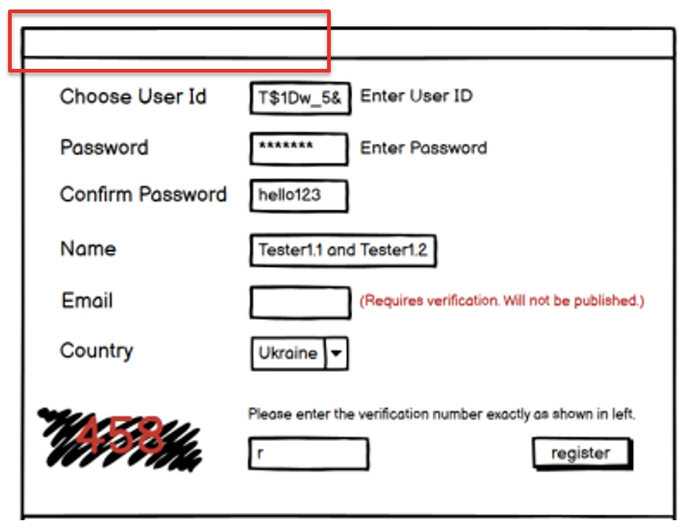
Attachments

Defect 2
Defect ID | 2
Summary | The registration window does not feature a "Close" button.
Priority | Low
Severity | Medium
Environment | Windows 11

Steps to reproduce | Test Step | Test Data
1 | Open registration window

Actual result | "Close" button is absent
Expected result | "Close" button is present

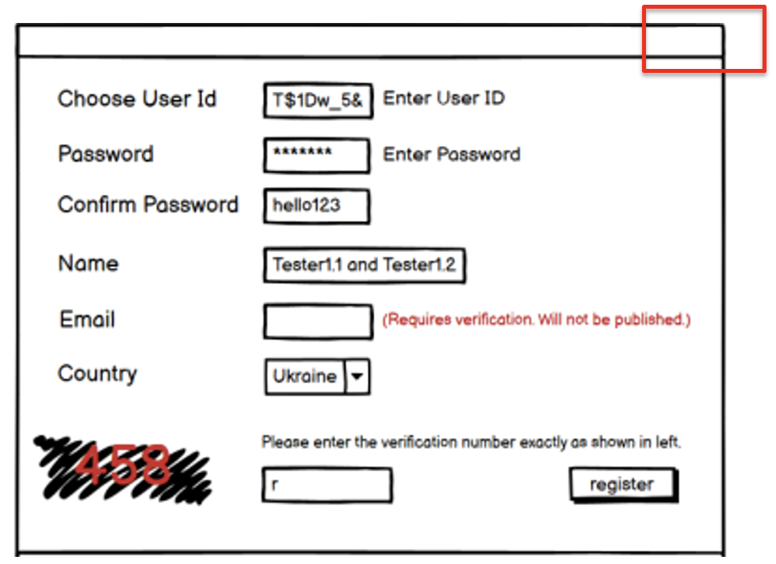
Attachments

Defect 3
Defect ID | 3
Summary | The "Enter User ID" hint is displayed even when the user has already input their user ID.
Priority | Low
Severity | Low
Environment | Windows 11

Steps to reproduce | Test Step | Test Data
1 | Open registration window
2 | Type any text into User ID field

Actual result | "Enter User ID" hint can be seen
Expected result | There is no "Enter User ID" hint

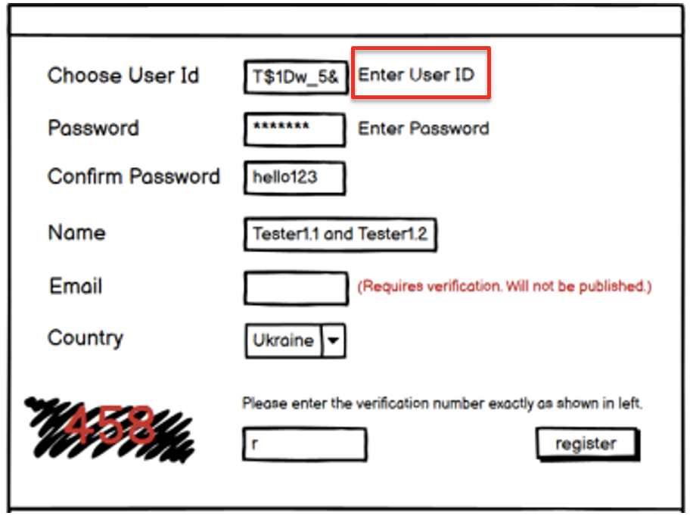
Attachments

Defect 4
Defect ID | 4
Summary | The "Enter Password" hint is displayed even when the user has already input their password.
Priority | Low
Severity | Low
Environment | Windows 11

Steps to reproduce | Test Step | Test Data
1 | Open registration window
2 | Type any text into Password field

Actual result | "Enter Password" hint can be seen
Expected result | There is no "Enter Password" hint

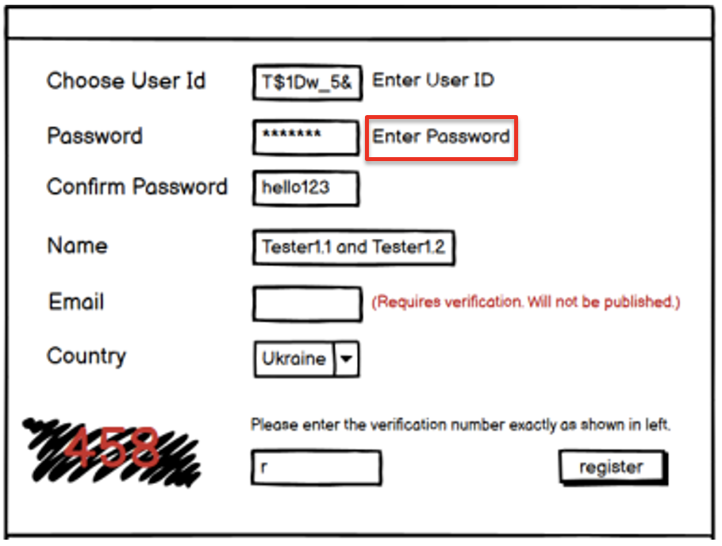
Attachments

Defect 5
Defect ID | 5
Summary | The text in the "Confirm Password" field is not hidden.
Priority | Low
Severity | Medium
Environment | Windows 11

Steps to reproduce | Test Step | Test Data
1 | Open registration window
2 | Type any text into "Confirm Password" field

Actual result | The symbols entered in the "Confirm Password" field are visible.
Expected result | The symbols entered in the "Confirm Password" field are hidden(using "*").

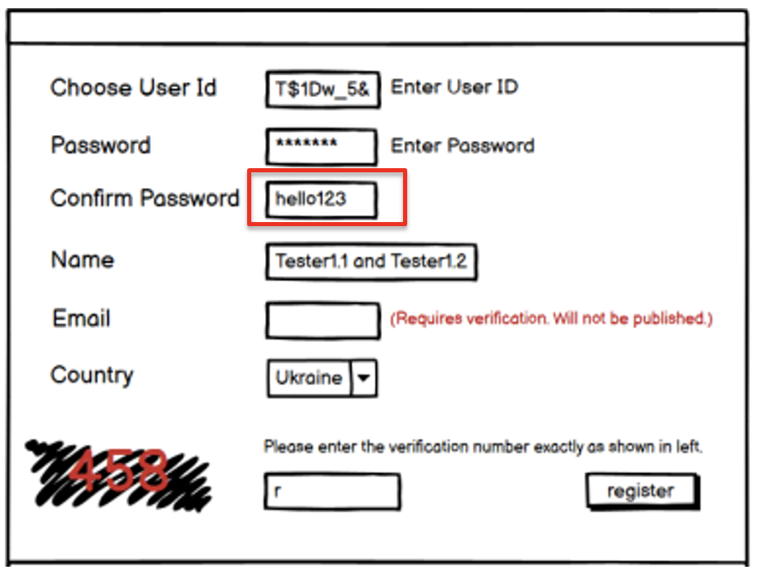
Attachments

